Sheet3
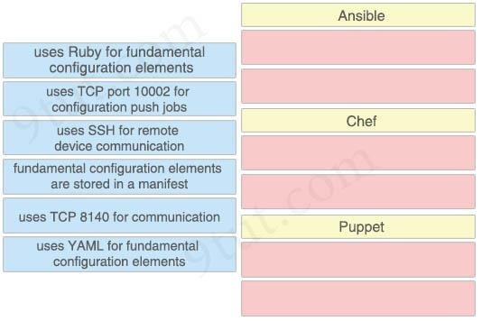
Drag Drop Questions | Drag Drop Questions | Drag Drop Questions
Drag Drop Questions | https://www.9tut.com/drag-drop-questions | Drag Drop Questions
Drag Drop Questions | Question 1 | Drag Drop Questions | Question | 1 | Drag drop the descriptions from the left on to the correct configuration-management technologies on the right.
Drag Drop Questions | Drag drop the descriptions from the left on to the correct configuration-management technologies on the right. | Drag Drop Questions
Drag Drop Questions |  | Drag Drop Questions
Drag Drop Questions |  | Drag Drop Questions
Drag Drop Questions | Answer: | Drag Drop Questions
Drag Drop Questions | Ansible: | Drag Drop Questions
Drag Drop Questions | + uses SSH for remote device communication + uses YAML for fundamental configuration elements | Drag Drop Questions
Drag Drop Questions | Chef: | Drag Drop Questions
Drag Drop Questions | + uses Ruby for fundamental configuration elements + uses TCP port 10002 for configuration push jobs | Drag Drop Questions
Drag Drop Questions | Puppet: | Drag Drop Questions
Drag Drop Questions | + fundamental configuration elements are stored in a manifest | Drag Drop Questions
Drag Drop Questions | + uses TCP 8140 for communication | Drag Drop Questions
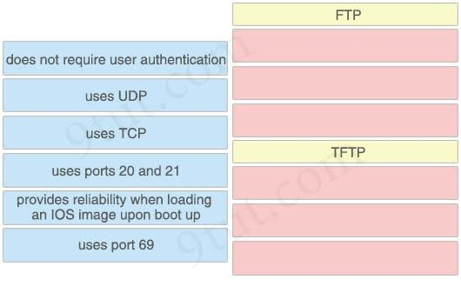
Drag Drop Questions | Question 2 | Drag Drop Questions | Question | 2 | Drag and drop the description of file-transfer protocols from the left onto the correct protocols on the right.
Drag Drop Questions | Drag and drop the description of file-transfer protocols from the left onto the correct protocols on the right. | Drag Drop Questions
Drag Drop Questions |  | Drag Drop Questions
Drag Drop Questions |  | Drag Drop Questions
Drag Drop Questions | Answer: | Drag Drop Questions
Drag Drop Questions | FTP: | Drag Drop Questions
Drag Drop Questions | + uses TCP | Drag Drop Questions
Drag Drop Questions | + uses ports 20 and 21 | Drag Drop Questions
Drag Drop Questions | + provides reliability when loading an IOS image upon boot up | Drag Drop Questions
Drag Drop Questions | TFTP: | Drag Drop Questions
Drag Drop Questions | + does not require user authentication | Drag Drop Questions
Drag Drop Questions | + uses UDP | Drag Drop Questions
Drag Drop Questions | + uses port 69 Question 3 | Drag Drop Questions
Drag Drop Questions | Drag and drop the WLAN components from the left onto the correct descriptions on the right. | Drag Drop Questions
Drag Drop Questions |  | Drag Drop Questions
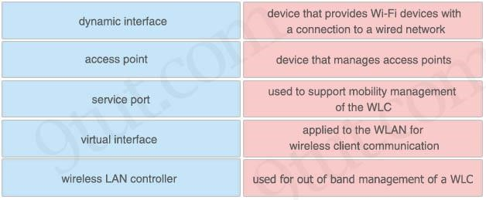
Drag Drop Questions |  | Drag Drop Questions
Drag Drop Questions | Answer: | Drag Drop Questions
Drag Drop Questions | + device that manages access points: wireless LAN controller | Drag Drop Questions
Drag Drop Questions | + device that provides Wi-Fi devices with a connection to a wired network: access point | Drag Drop Questions
Drag Drop Questions | + used for out of band management of a WLC: service port | Drag Drop Questions
Drag Drop Questions | + used to support mobility management of the WLC: virtual interface | Drag Drop Questions
Drag Drop Questions | + applied to the WLAN for wireless client communication: dynamic interface | Drag Drop Questions
Drag Drop Questions | Question 4 | Drag Drop Questions | Question | 4 | Drag and drop the functions from the left onto the correct network components on the right.
Drag Drop Questions | Drag and drop the functions from the left onto the correct network components on the right. | Drag Drop Questions
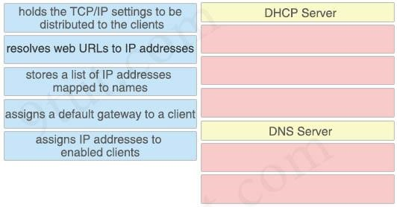
Drag Drop Questions |  | Drag Drop Questions
Drag Drop Questions |  | Drag Drop Questions
Drag Drop Questions | Answer: | Drag Drop Questions
Drag Drop Questions | DHCP Server: | Drag Drop Questions
Drag Drop Questions | + holds the TCP/IP settings to be distributed to the clients | Drag Drop Questions
Drag Drop Questions | + assigns a default gateway to a client + assigns IP addresses to enabled clients | Drag Drop Questions
Drag Drop Questions | DNS Server: | Drag Drop Questions
Drag Drop Questions | + resolves web URLs to IP addresses | Drag Drop Questions
Drag Drop Questions | + stores a list of IP addresses mapped to names | Drag Drop Questions
Drag Drop Questions | Question 5 | Drag Drop Questions | Question | 5 | Drag and drop the networking parameters from the left on to the correct values on the right.
Drag Drop Questions | Drag and drop the networking parameters from the left on to the correct values on the right. | Drag Drop Questions
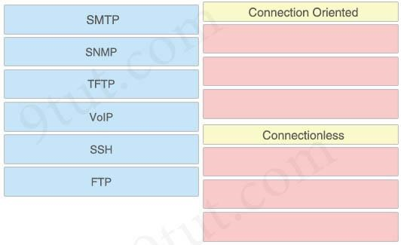
Drag Drop Questions |  | Drag Drop Questions
Drag Drop Questions |  | Drag Drop Questions
Drag Drop Questions | Answer: | Drag Drop Questions
Drag Drop Questions | Connection Oriented: | Drag Drop Questions
Drag Drop Questions | + SMTP | Drag Drop Questions
Drag Drop Questions | + SSH + FTP | Drag Drop Questions
Drag Drop Questions | Connectionless: | Drag Drop Questions
Drag Drop Questions | + SNMP | Drag Drop Questions
Drag Drop Questions | + TFTP | Drag Drop Questions
Drag Drop Questions | + VoIP | Drag Drop Questions
Drag Drop Questions | Question 6 | Drag Drop Questions | Question | 6 | Drag the OSPF parameters to the correct places on the right.
Drag Drop Questions | Drag the OSPF parameters to the correct places on the right. | Drag Drop Questions
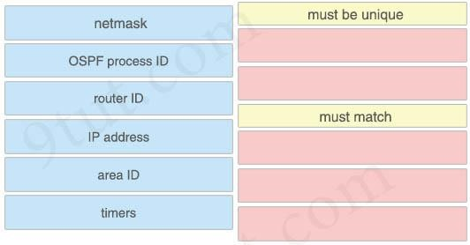
Drag Drop Questions |  | Drag Drop Questions
Drag Drop Questions |  | Drag Drop Questions
Drag Drop Questions | Answer: | Drag Drop Questions
Drag Drop Questions | must be unique: | Drag Drop Questions
Drag Drop Questions | + IP address + router ID | Drag Drop Questions
Drag Drop Questions | must match: | Drag Drop Questions
Drag Drop Questions | + area ID | Drag Drop Questions
Drag Drop Questions | + timers | Drag Drop Questions
Drag Drop Questions | + netmask | Drag Drop Questions
Drag Drop Questions | Question 7 | Drag Drop Questions | Question | 7 | Drag and drop the AAA functions from the left onto the correct AAA services on the right.
Drag Drop Questions | Drag and drop the AAA functions from the left onto the correct AAA services on the right. | Drag Drop Questions
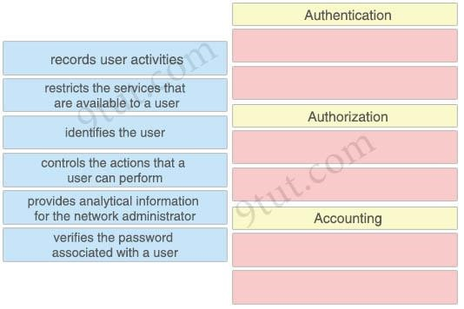
Drag Drop Questions |  | Drag Drop Questions
Drag Drop Questions |  | Drag Drop Questions
Drag Drop Questions | Answer: | Drag Drop Questions
Drag Drop Questions | Authentication: | Drag Drop Questions
Drag Drop Questions | + identifies the user | Drag Drop Questions
Drag Drop Questions | + verifies the password associated with a user | Drag Drop Questions
Drag Drop Questions | Authorization: | Drag Drop Questions
Drag Drop Questions | + restricts the services that are available to a user + controls the actions that a user can perform | Drag Drop Questions
Drag Drop Questions | Accounting: | Drag Drop Questions
Drag Drop Questions | + records user activities | Drag Drop Questions
Drag Drop Questions | + provides analytical information for the network administrator | Drag Drop Questions
Drag Drop Questions | Question 8 | Drag Drop Questions | Question | 8 | Drag and drop the application protocols from the left onto the suitable transport protocols on the right.
Drag Drop Questions | Drag and drop the application protocols from the left onto the suitable transport protocols on the right. | Drag Drop Questions
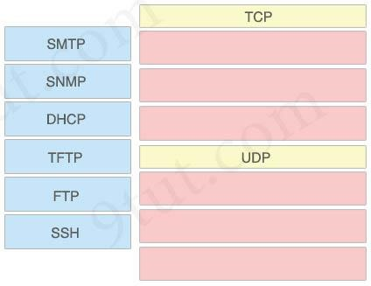
Drag Drop Questions |  | Drag Drop Questions
Drag Drop Questions |  | Drag Drop Questions
Drag Drop Questions | Answer: | Drag Drop Questions
Drag Drop Questions | TCP: | Drag Drop Questions
Drag Drop Questions | + SMTP | Drag Drop Questions
Drag Drop Questions | + FTP | Drag Drop Questions
Drag Drop Questions | + SSH | Drag Drop Questions
Drag Drop Questions | UDP: | Drag Drop Questions
Drag Drop Questions | + SNMP | Drag Drop Questions
Drag Drop Questions | + DHCP + TFTP | Drag Drop Questions
Drag Drop Questions | Question 9 | Drag Drop Questions | Question | 9 | Drag and drop the IPv4 network subnets from the left onto the correct usable host ranges on the right.
Drag Drop Questions | Drag and drop the IPv4 network subnets from the left onto the correct usable host ranges on the right. | Drag Drop Questions
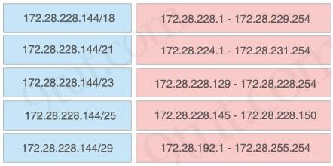
Drag Drop Questions |  | Drag Drop Questions
Drag Drop Questions |  | Drag Drop Questions
Drag Drop Questions | Answer: | Drag Drop Questions
Drag Drop Questions | + 172.28.228.144/18: 172.28.192.1 – 172.28.255.254 | Drag Drop Questions
Drag Drop Questions | + 172.28.228.144/21: 172.28.224.1 – 172.28.231.254 | Drag Drop Questions
Drag Drop Questions | + 172.28.228.144/23: 172.28.228.1 – 172.28.229.254 | Drag Drop Questions
Drag Drop Questions | + 172.28.228.144/25: 172.28.228.129 – 172.28.228.254 | Drag Drop Questions
Drag Drop Questions | + 172.28.228.144/29: 172.28.228.145 – 172.28.228.150 | Drag Drop Questions
Drag Drop Questions | Question 10 | Drag Drop Questions | Question | 2 | Drag and drop the Cisco Wireless LAN Controller security settings from the left onto the correct security mechanism categories on the right.
Drag Drop Questions | Drag and drop the Cisco Wireless LAN Controller security settings from the left onto the correct security mechanism categories on the right. | Drag Drop Questions
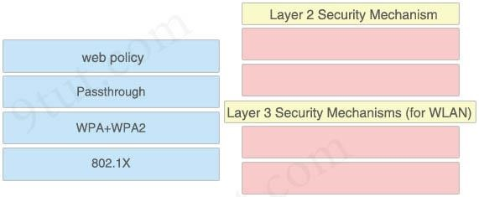
Drag Drop Questions |  | Drag Drop Questions
Drag Drop Questions |  | Drag Drop Questions
Drag Drop Questions | Answer: | Drag Drop Questions
Drag Drop Questions | Layer 2 Security Mechanism: | Drag Drop Questions
Drag Drop Questions | + WPA+WPA2 | Drag Drop Questions
Drag Drop Questions | + 802.1X | Drag Drop Questions
Drag Drop Questions | Layer 3 Security Mechanisms (for WLAN): | Drag Drop Questions
Drag Drop Questions | + web policy | Drag Drop Questions
Drag Drop Questions | + Passthrough | Drag Drop Questions
Drag Drop Questions | Question 11 | Drag Drop Questions | Question | 2 | Drag and Drop the benefits of a Cisco Wireless LAN Controller from the left onto the correct examples on the right | Answer:
Drag Drop Questions | Drag and Drop the benefits of a Cisco Wireless LAN Controller from the left onto the correct examples on the right | Drag Drop Questions
Drag Drop Questions |  | Drag Drop Questions
Drag Drop Questions | Answer: | Drag Drop Questions
Drag Drop Questions | + Dynamic RF Feature: Access points auto adjust signal strength | Drag Drop Questions
Drag Drop Questions | + Easy Deployment Process: Controller provides centralized management of users and VLANs | Drag Drop Questions
Drag Drop Questions | + Optimized user performance: Controller uses loadbalancing to maximize throughput + Easy upgrade process: Controller image auto deployed to access Points | Drag Drop Questions
Drag Drop Questions | Question 12 | Drag Drop Questions | Question | 2 | Drag and drop the threat-mitigation techniques from the left onto the types of threat or attack they mitigate on the right.
Drag Drop Questions | Drag and drop the threat-mitigation techniques from the left onto the types of threat or attack they mitigate on the right. | Drag Drop Questions
Drag Drop Questions |  | Drag Drop Questions
Drag Drop Questions |  | Drag Drop Questions
Drag Drop Questions | Answer: | Drag Drop Questions
Drag Drop Questions | + 802.1q double tagging: Configure VACL | Drag Drop Questions
Drag Drop Questions | + ARP spoofing: Configure dynamic ARP inspection | Drag Drop Questions
Drag Drop Questions | + unwanted superior BPDUs: Configure root guard | Drag Drop Questions
Drag Drop Questions | + unwanted BPDUs on PortFast-enabled interfaces: Configure BPDU guard | Drag Drop Questions
Drag Drop Questions | Question 13 | Drag Drop Questions | Question | 2 | Refer to the exhibit. | Answer:
Drag Drop Questions | Refer to the exhibit. | Drag Drop Questions
Drag Drop Questions | [root#HostTime=]#ip route | Drag Drop Questions
Drag Drop Questions | default via 192.168.1.193 dev eth1 proto static | Drag Drop Questions
Drag Drop Questions | 192.168.1.0/26 dev sth1 proto kernel scope link src 192.168.1.200 metric 1 | Drag Drop Questions
Drag Drop Questions | [root#HostTime=]#ip addr show eth1 | Drag Drop Questions
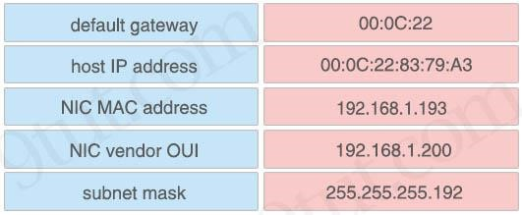
Drag Drop Questions | eth1:mtu 1500 qdisc pfifo_fast qlan 1000 link/ether 00:0C:22:83:79:A3 brd ff:ff:ff:ff:ff:ff inet 192.168.1.200/26 hrd 192.168.1.255 scope global eth1 inet6 fe80::20c::29ff:fe89:79b3/64 scope link valid_lft forever preferred_lft forever | Drag Drop Questions
Drag Drop Questions | Drag and drop the networking parameters from the left onto the correct values on the right. | Drag Drop Questions
Drag Drop Questions |  | Drag Drop Questions
Drag Drop Questions |  | Drag Drop Questions
Drag Drop Questions | Answer: | Drag Drop Questions
Drag Drop Questions | + 00:0C:22: NIC vendor OUI | Drag Drop Questions
Drag Drop Questions | + 00:0C:22:83:79:A3: NIC MAC address | Drag Drop Questions
Drag Drop Questions | + 192.168.1.193: default gateway | Drag Drop Questions
Drag Drop Questions | + 192.168.1.200: host IP address | Drag Drop Questions
Drag Drop Questions | + 255.255.255.192: subnet mask | Drag Drop Questions

